PT. PRASIDA LANTUR MAJU (Wine)
DATE | INV NO. | DESCRIPTIONS | QTY | BILLS | PRICE | TOTAL
2-Feb-2026 | PLM-INV0351/2026 | ISOLA RISERVA SYRAH 750 ML | 3 | 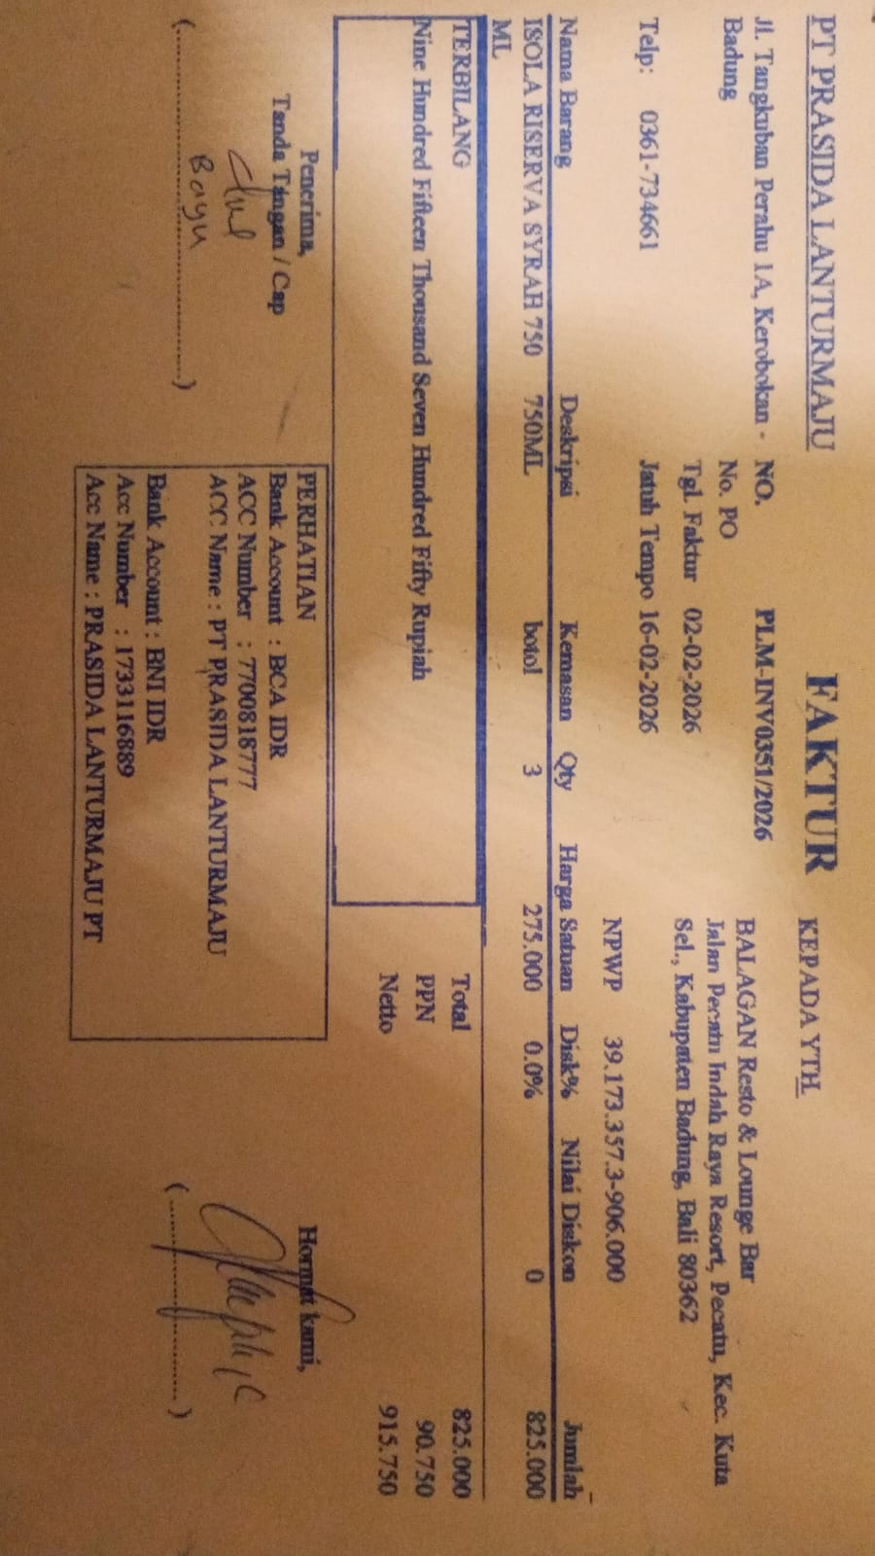 | IDR 275,000 | IDR 825,000
SUBTOTAL |  |  | 3 |  | PPN | Rp90,750
TOTAL |  |  |  | Rp915,750
5-Feb-2026 | PLM-INV0415/2026 | ISOLA BIANCO 750 ML | 3 | 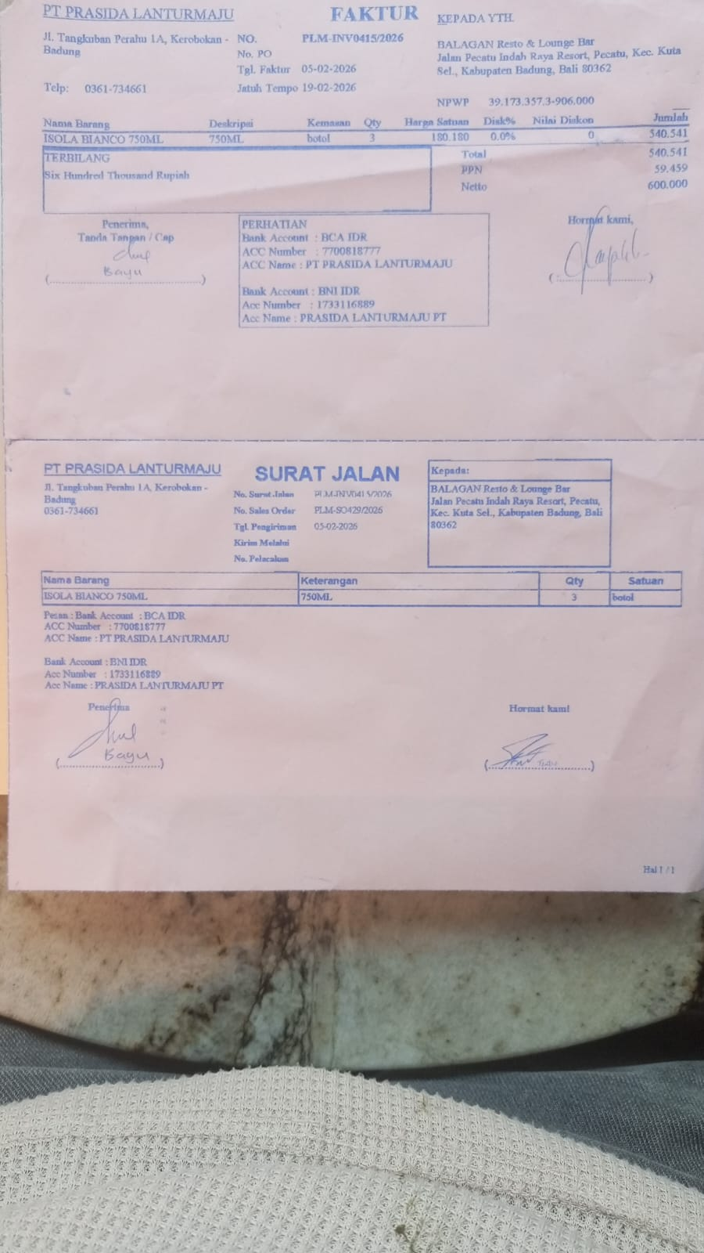 | IDR 180,180 | IDR 540,540
SUBTOTAL |  |  | 3 |  | PPN | Rp59,459
TOTAL |  |  |  | Rp600,000
21-Feb-2026 | PLM-INV0602/2026 | ISOLA RISERVA SYRAH 750 ML | 2 | 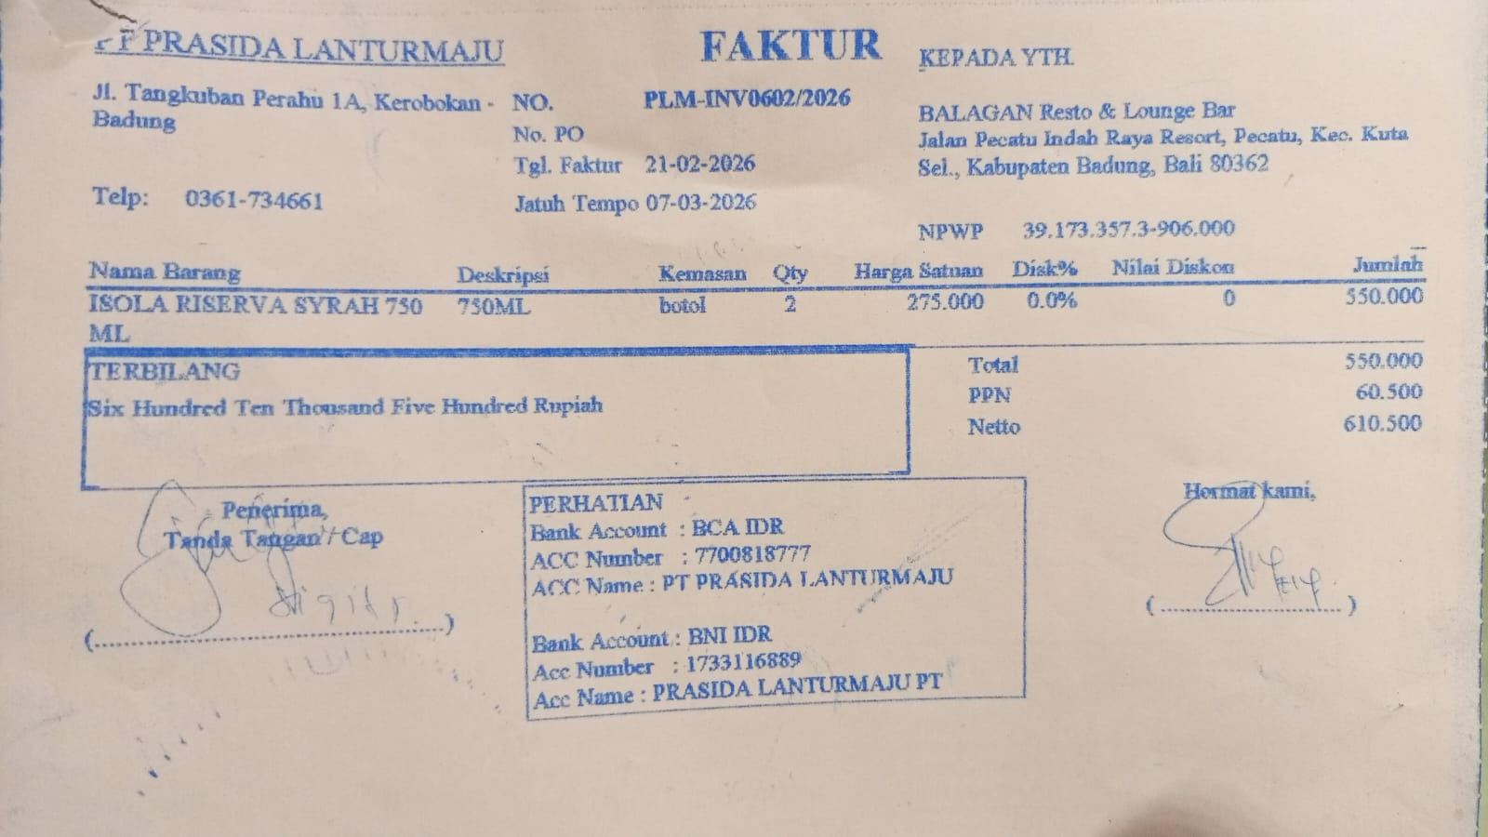 | IDR 275,000 | IDR 550,000
SUBTOTAL |  |  | 2 |  | PPN | Rp60,500
TOTAL |  |  |  | Rp610,500
GRAND TOTAL |  |  |  | Rp2,126,250

